Gini
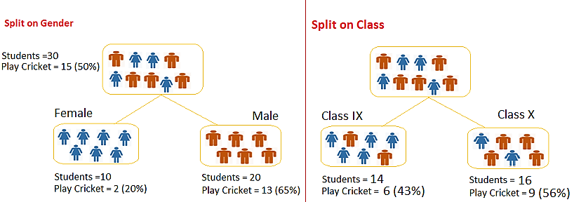

Method 1: Gini Impurity

Split on gender
1. Calculate, Gini for sub-node Female = (0.2)*(0.2)+(0.8)*(0.8)=0.68
2. Gini for sub-node Male = (0.65)*(0.65)+(0.35)*(0.35)=0.55
3. Calculate weighted Gini for Split Gender = (10/30)*0.68+(20/30)*0.55 = 0.59

Split on class
1. Gini for sub-node Class IX = (0.43)*(0.43)+(0.57)*(0.57)=0.51
2. Gini for sub-node Class X = (0.56)*(0.56)+(0.44)*(0.44)=0.51
3. Calculate weighted Gini for Split Class = (14/30)*0.51+(16/30)*0.51 = 0.51

